Burndown Charts
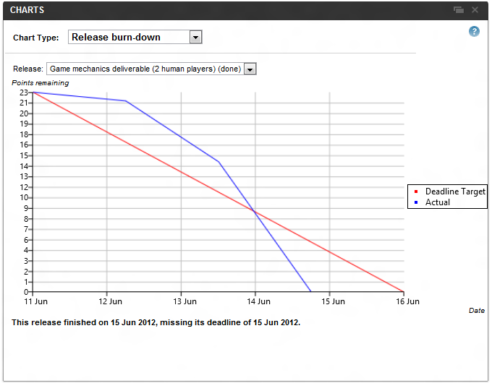
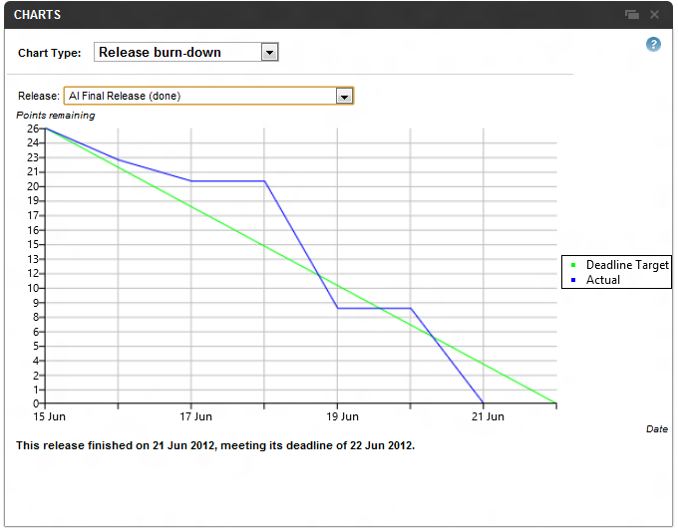
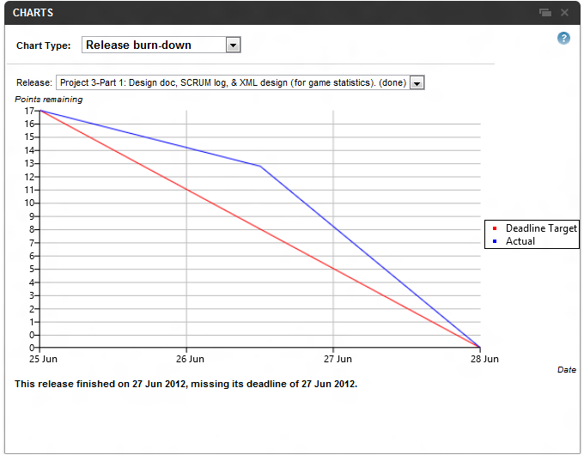
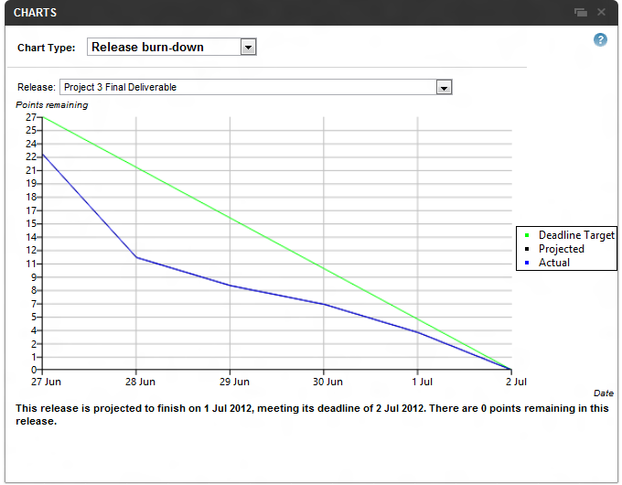
Sprint 1 Burndown Chart | Sprint 2 Burndown Chart | Sprint 3 - Part 1 Burndown Chart | Sprint 3 - Part 2 Burndown Chart

